TILTIL
C.C | USUARIO | EQUIPO |  |  |  | MONITOR |  |  |  | SOFTWARE
 |  | MARCA | MODELO | N° DE SERIE | N° RÓTULO | MONITOR | MODELO | N° DE SERIE | N° RÓTULO | ADOBE | WINDOWS | OFFICE | AUTOCAD | PROJECT | GLOBAL MAPPER

75-0001 | MARCELA CUBILLOS | HP | 240 | 5CG5413YF2 | X | X | X | X | X | X | WIN 7PRO | 2010 STD | X | X | X
75-0001 | FERNANDO SEGURA | HP | 240 | 5CG5413PL4 | X | X | X | X | X | X | WIN 7PRO | 2010 STD | X | X | X
75-0001 | GABRIELA FLORES | DELL | N/A | N/A | X | X | X | X | X | X | WIN 7PRO | STD 2010 | X | X | X
75-0001 | SERGIO MORENO | HP | PAVILION | 5CD7235CXD |  | X | X | X | X | X | WIN 10 HOME | STD 2010 | OK | OK | X
75-0001 | MARILUZ MORALEDA | HP | PAVILION | 5CD7235L8 |  | X | X | X | X | X | WIN 10 HOME | STD 2010 | X | X | X
75-0001 | JOSE BALTASAR FERNANDEZ | TOSHIBA | TECRA A50-C-1ZV | YG041815H | ESPAÑA | X | X | X | X | X | WIN 10 PRO | 2016 EMP | X | X | X

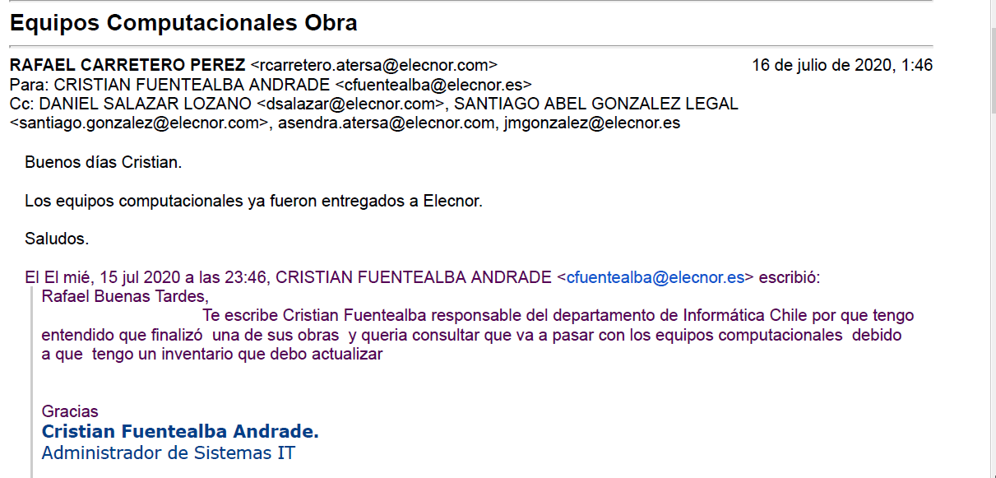
 | PROYECTO CERRADO E INFORMADO POR RAFAEL CARRETERRO

